Rider
Készlet 16.01.2026
Kép | Cikkszám | Megnevezés | Nettó Nk ár | Jav Fogy ár | Stock
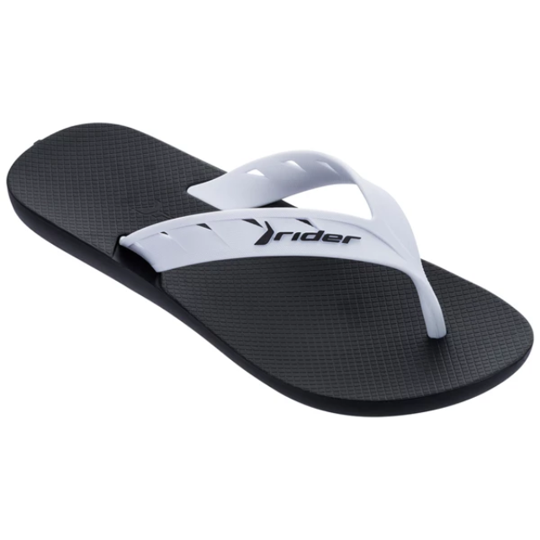 | 11573-20829 | RIDER STREET AD | 2,913 Ft | 6,991 Ft | 12
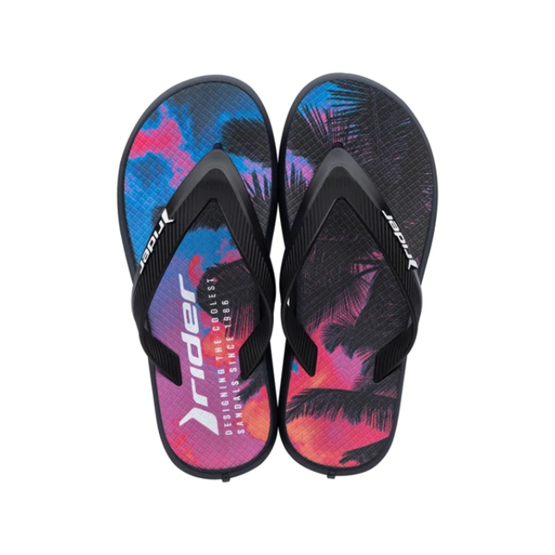 | 11728-26008 | RIDER R1 ENERGY KIDS | 2,913 Ft | 6,991 Ft | 11
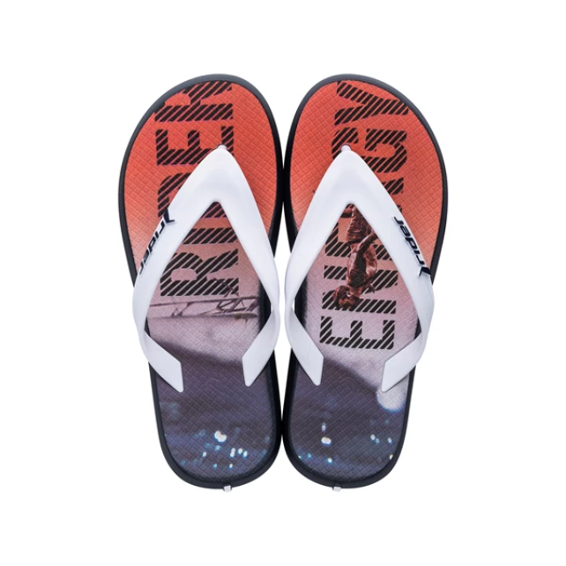 | 11728-26009 | RIDER R1 ENERGY KIDS | 2,913 Ft | 6,991 Ft | 12
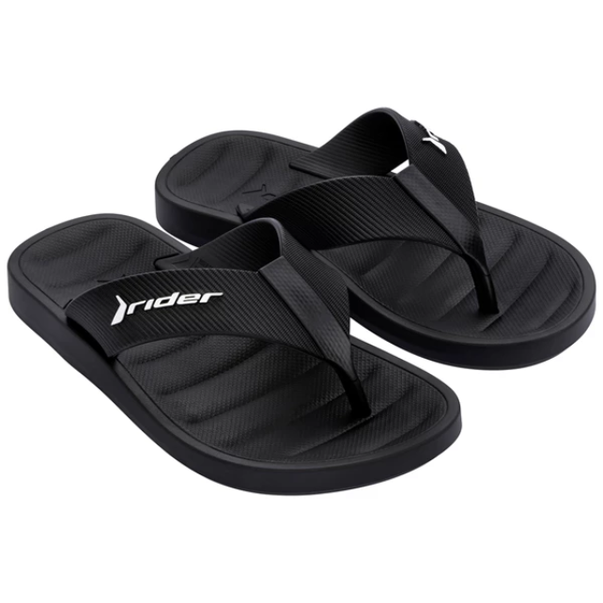 | 11787-20825 | RIDER FREE THONG KID | 3,329 Ft | 7,990 Ft | 12
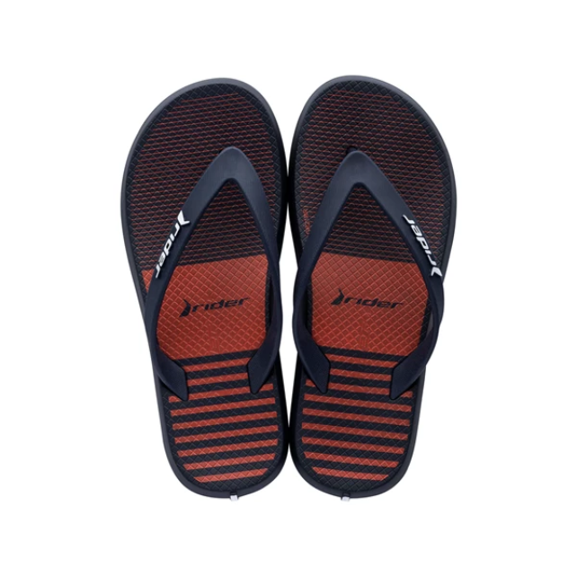 | 11957-21248 | RIDER R1 STYLE DEDO | 3,329 Ft | 7,990 Ft | 12
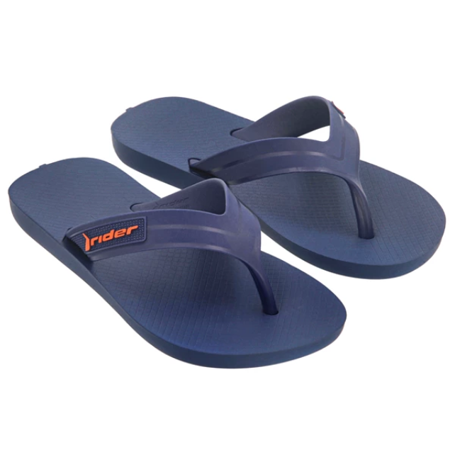 | 12121-AF977 | RIDER STRIKE II INF | 2,913 Ft | 6,991 Ft | 12
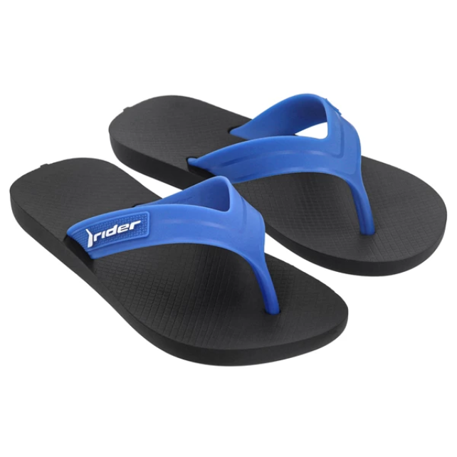 | 12121-AF979 | RIDER STRIKE II INF | 2,913 Ft | 6,991 Ft | 12
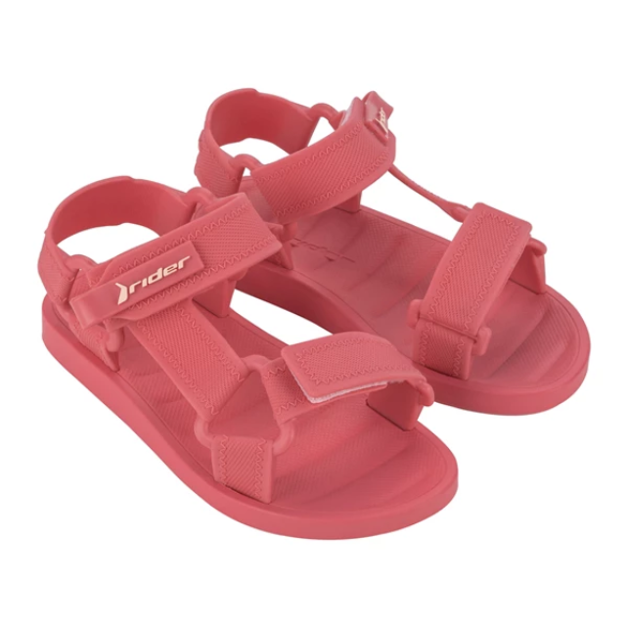 | 12347-AY563 | RIDER FREE STYLE II | 5,829 Ft | 13,990 Ft | 57
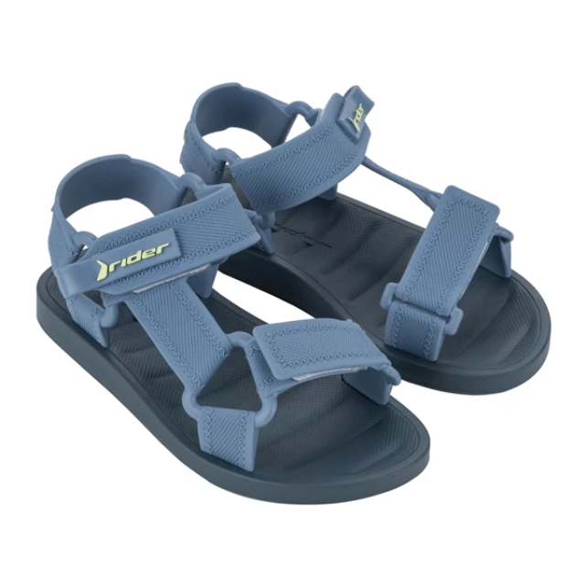 | 12347-BB996 | RIDER FREE STYLE II | 5,829 Ft | 13,990 Ft | 57
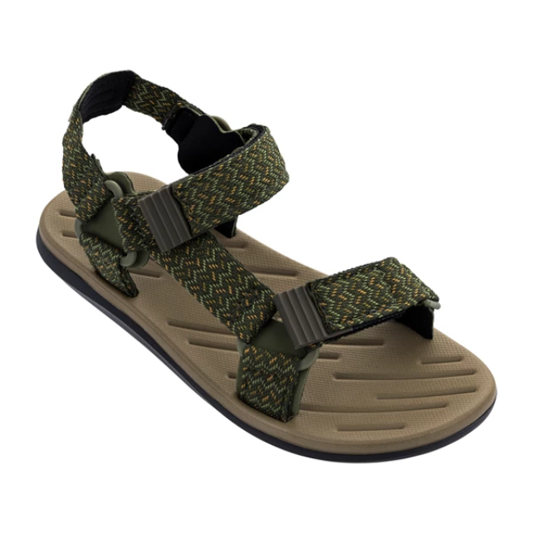 | 82656-02457 | RIDER RX III SANDAL | 8,329 Ft | 19,990 Ft | 4
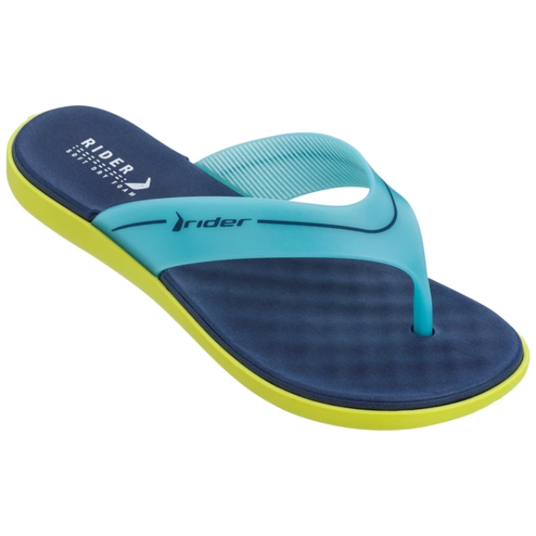 | 82739-24100 | RIDER DELTA THONG FE | 4,163 Ft | 9,991 Ft | 8
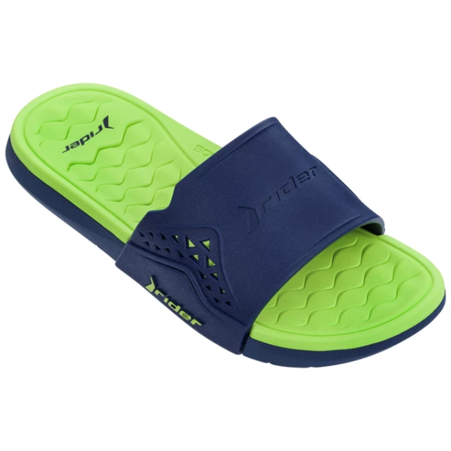 | 82743-20106 | RIDER INFINITY III S | 4,579 Ft | 10,990 Ft | 12
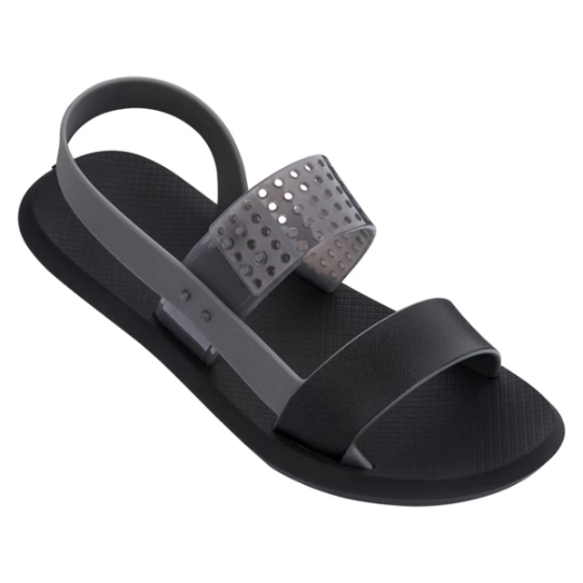 | 83010-20743 | RIDER R1 SANDAL FEM | 4,163 Ft | 9,991 Ft | 10
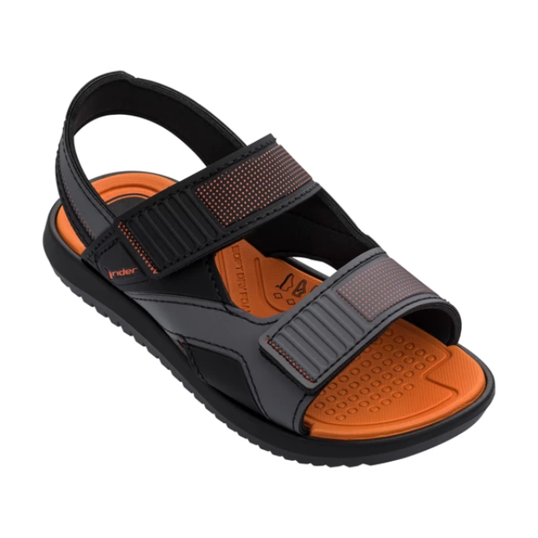 | 83028-20757 | RIDER VOYAGE SANDAL | 6,663 Ft | 15,991 Ft | 11
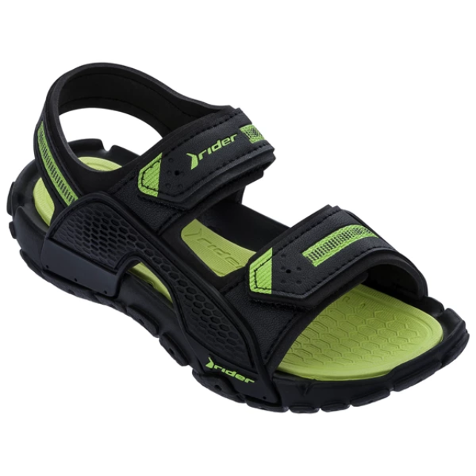 | 83066-02235 | RIDER TENDER XII KID | 6,246 Ft | 14,990 Ft | 10
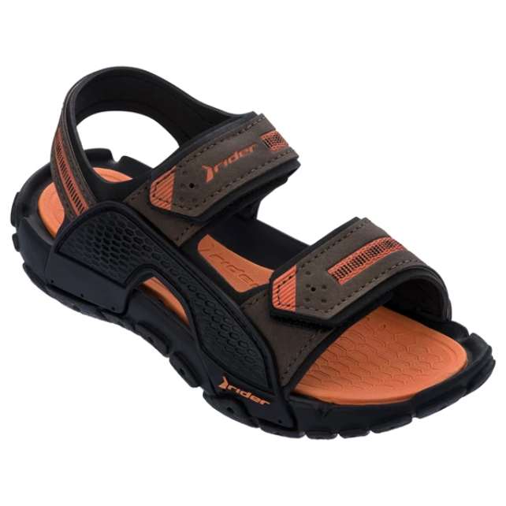 | 83066-09713 | RIDER TENDER XII KID | 6,246 Ft | 14,990 Ft | 10
 | 83101-22550 | RIDER COMFY BABY | 4,996 Ft | 11,990 Ft | 11
 | 83101-AF081 | RIDER COMFY BABY | 5,829 Ft | 13,990 Ft | 11
 | 83101-AF082 | RIDER COMFY BABY | 5,829 Ft | 13,990 Ft | 12
 | 83453-AG290 | RIDER RT I PAPETE BA | 5,413 Ft | 12,991 Ft | 23
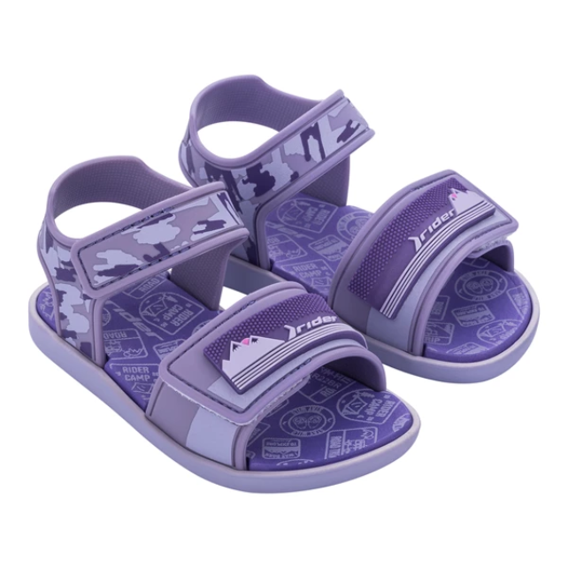 | 83453-AG297 | RIDER RT I PAPETE BA | 5,413 Ft | 12,991 Ft | 12

